UNO
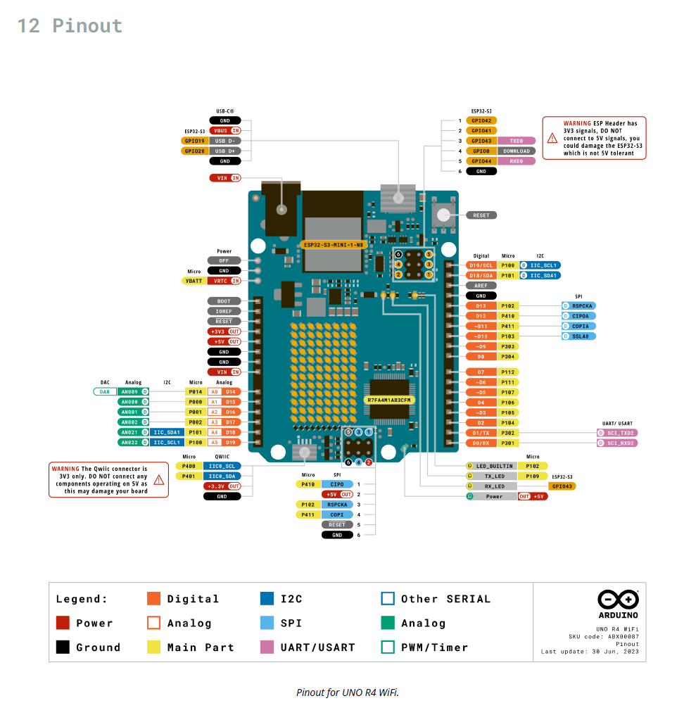
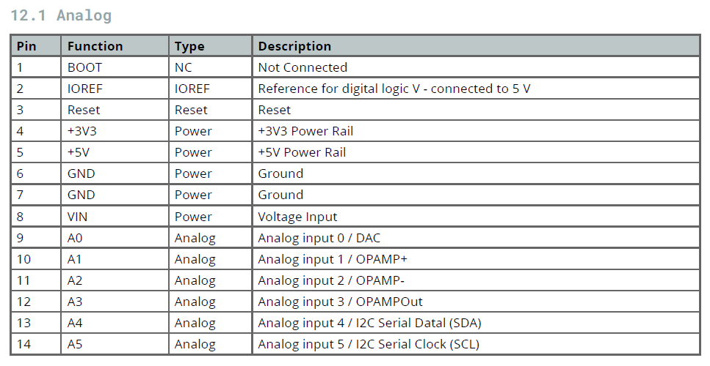
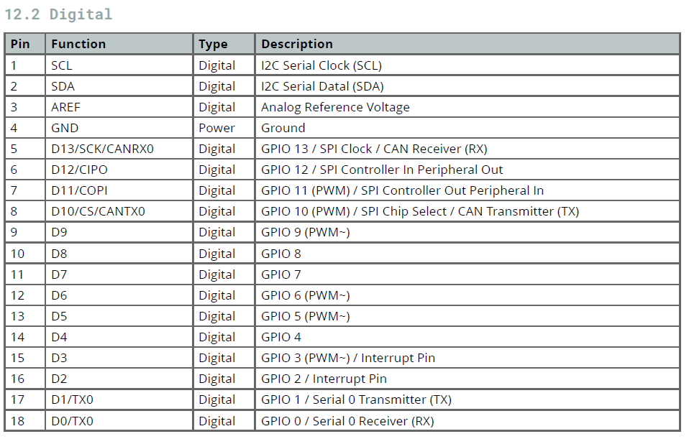
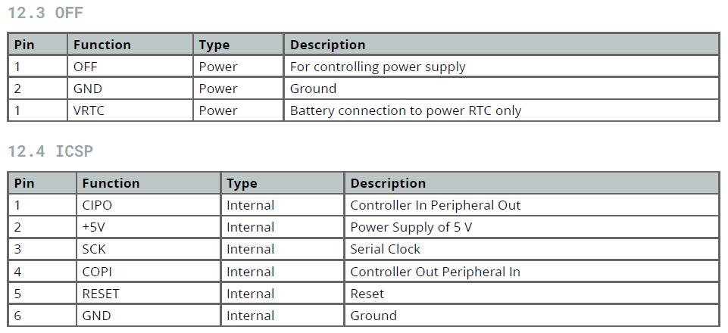
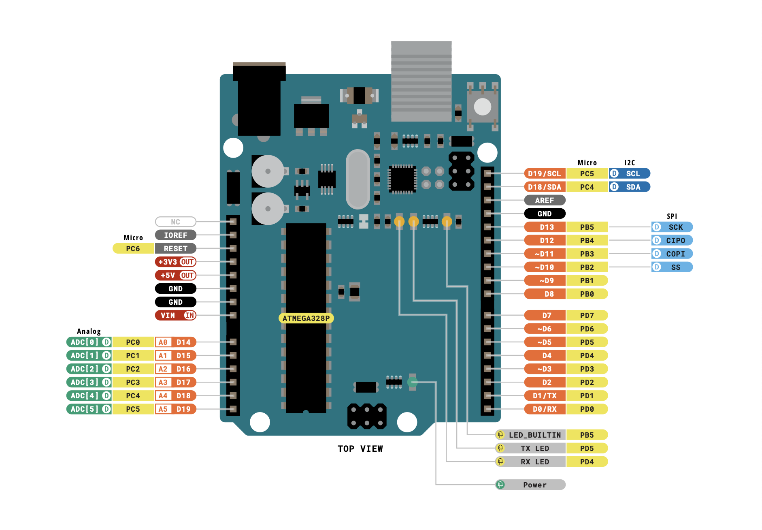
 |  | https://www3.ntu.edu.sg/home/ehchua/programming/arduino/arduino.html |  |  |  |  |  |  |  | VREF | 5
 |  | https://store.arduino.cc/products/arduino-uno-rev3?_gl=1*157w01n*_ga*MTc1MzMxMzc3Mi4xNjc5NDIwMjM2*_ga_NEXN8H46L5*MTY3OTQyMDIzNS4xLjEuMTY3OTQyMDc3Ny4wLjAuMA..

 |  |  | Pin | Function |  |  |  | DIO pins, 8mA max! |  | Resistance | Current (mA)
 |  |  | Column1 | Column2 | Column3 | Column4 |  |  |  | 220 | 22.7
 |  |  | Vin | Voltage input, 7-12. OK to use with USB programming cable |  |  |  |  |  | 500 | 10.0
 | DFRobot RS485 Shield | RS485 Shield | 0 | 40mA max 20mA continuous 130mA total |  |  | 0 |  |  | 1000 | 5.0
Optional Relay shield |  |  | ~1 |  |  |  | ~1 |  |  | 5000 | 1.0
 |  |  | 2 |  | Din |  | 2 |  |  | 10000 | 0.5
 |  |  | ~3 |  | Din |  | ~3
Relay 1 | I think we can use the AdaFruit sensor here | ThermoDataOut | 4 |  | Dout |  | 4
 |  | ThermoChipSelect | ~5 |  | Dout |  | ~5
 |  | ThermoClock | ~6 |  | Dout |  | ~6
Relay 2 |  | Sprinkler 1 | 7 |  | Dout |  | 7
Relay 3 |  | Sprinkler 2 | 8 |  | Dout |  | 8
 |  | Sprinkler 3 | ~9 |  | PWM out |  | ~9
 | AdaFruit RTC USB | SD_ChipSelect | ~10 |  | Dout |  | ~10
 |  | SD_MOSI | ~11 |  | Dout |  | ~11
Relay 4 |  | SD_MISO | 12 |  | Dout |  | 12
SD_CLK |  | SD_Clock | 13 |  |  |  | 13
 |  |  | A0 | Dicrete I/O & anologin or PWMout like 1,3,5,etc Analog In (AREF pin can be used to set the max value NOT MORE THAN 5V though) |  |  | A0
 |  |  | A1 |  |  |  | A1
 |  |  | A2 |  |  |  | A2
 |  |  | A3 |  |  |  | A3
 | AdaFruit RTC USB | RTC-1 | A4/I2C (SDA) |  |  |  | A4/I2C (SDA)
 |  | RTC-2 | A5/I2C (SCL) |  |  |  | A5/I2C (SCL)

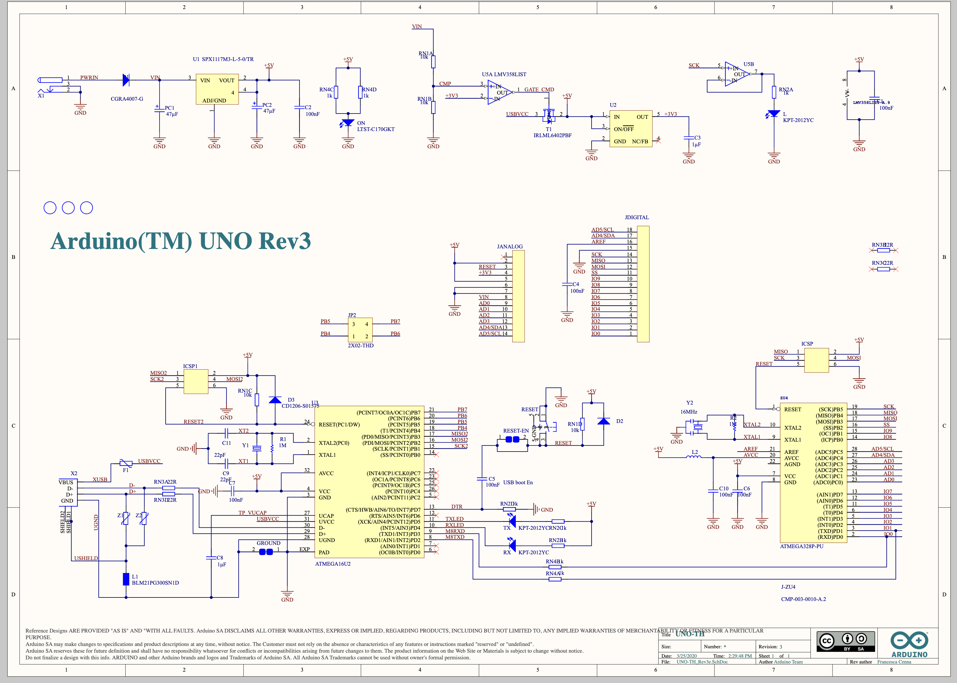
 |  |  |  | So, to answer your question:

 |  |  |  | You are correct that pins 0, 1, 2, 4, 7, 8, 12, and 13 are primarily digital I/O pins.
 |  |  |  | Pins 3, 5, 6, 9, 10, and 11 can function as either analog inputs or digital I/O pins. These pins are not analog outputs. There are no true analog output pins on the Arduino Uno (although techniques like PWM can be used to simulate analog outputs).

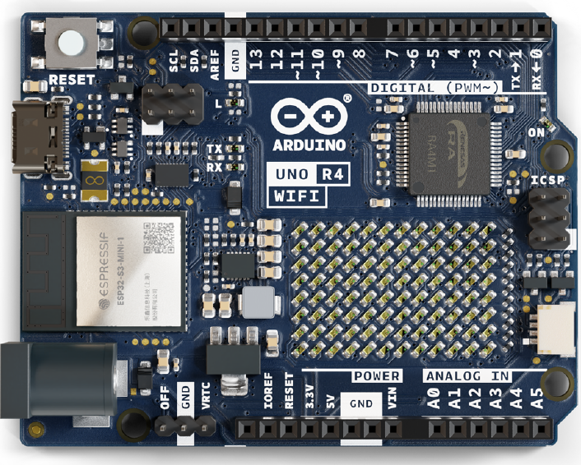

 |  |  |  |  |  |  |  |  | -113800110003098

Power Devices
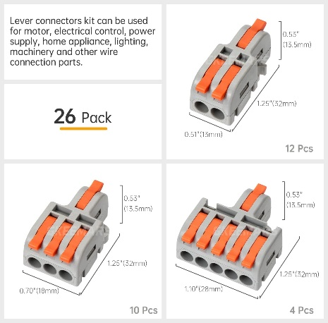
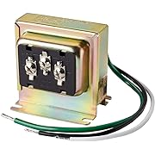
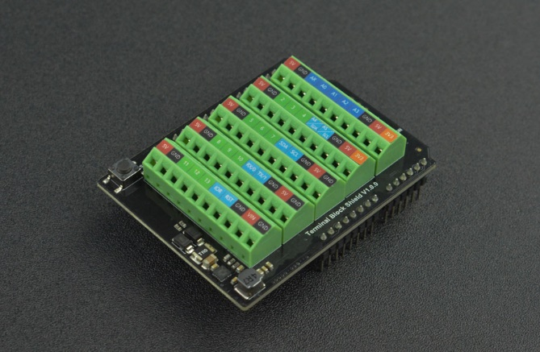
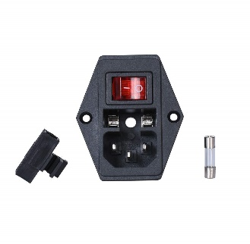
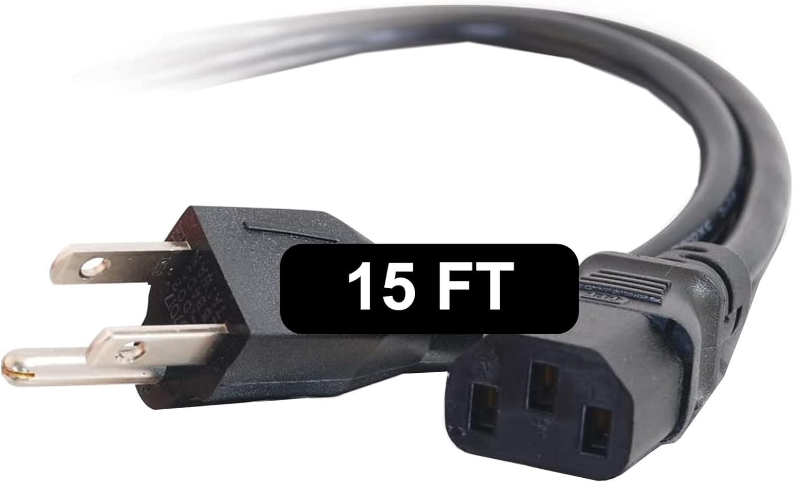
110 cord |  | 1 to 24VAC | 1 to 12 VDC ps
24VAC transformer |  | To Breakout | 1 to the relays | 1 to the soloniods
12V DC ps |  | 1 to vin pin | 1 to the relays

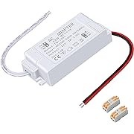
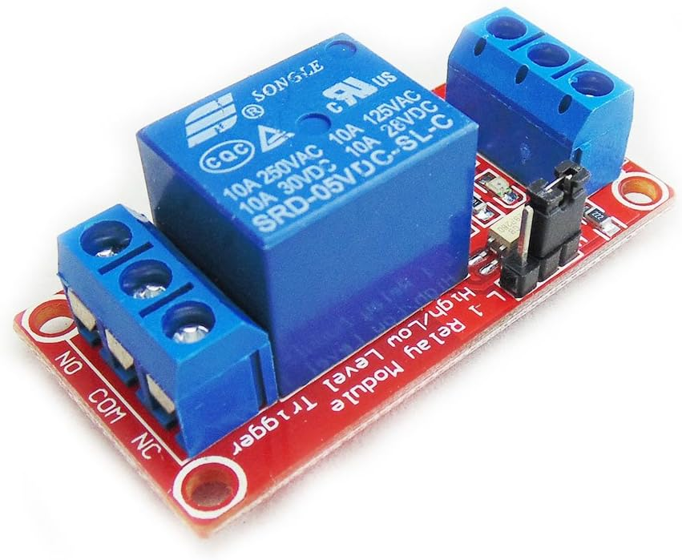
Box Connections
110 in
solonoid out
RS485 | 2 pair

